Sheet1
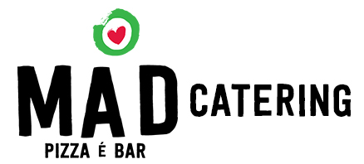

PLEASE SELECT THE ITEMS FOR YOUR ORDER, SAVE THE SHEET AND EMAIL TO INFO@MADPIZZAEBAR.COM OR MESSAGE TO NIK 0430 025 696

Name For Order

Phone Number

Delivery Address

Exact Time for Delivery

 | PRICE | QUANTITY
Smalls
Caramelised GB | $10.00 |  | $-
Mr Arancini | $12.50 |  | $-
Gennaro's Greens | $13.00 |  | $-
Spicy Shrimp Bowl | $16.00 |  | $-
Truffle Fries | $10.00 |  | $-

Grande Salads
Rocket, Pear & Parmesan | $12.50 |  | $-
Mad Buffalo Caprese | $16.00 |  | $-
Madhouse Salad | $18.00 |  | $-

Pasta
Spaghetti Bolognese | $19.00 |  | $-
Prawn & N'duja Aglio Olio | $24.00 |  | $-
Chicekn Boscaiaola | $20.00 |  | $-
Zucchini Arrabiatta | $18.00 |  | $-

Pizza Rosso
Queen Margherita | $20.00 |  | $-
De Mario | $23.00 |  | $-
Quattro | $25.50 |  | $-
Funghi | $25.00 |  | $-
Pepperoni | $24.00 |  | $-
Havaianna | $23.00 |  | $-
oTropo | $25.00 |  | $-
Hot Damn! | $25.50 |  | $-
Amalfi | $26.50 |  | $-
Porkies | $28.00 |  | $-
Capricciosa | $24.50 |  | $-
Primavera | $25.50 |  | $-
Mad Suprema | $26.00 |  | $-
Otto Bianco | $25.50 |  | $-
Ciao Bello! | $26.00 |  | $-
THE VLP | $27.00 |  | $-
Vegan Suprema | $27.50 |  | $-

 | Sub Total |  | $-
 | DISCOUNT |  | 0%
 | DISCOUNT AMOUNT |  | $-

 | Delivery Fee |  | $10

 | TOTAL AFTER DISCOUNT |  | $10.00

 |  | Thank You for your Order. Please save the form
 |  | & send it to
 |  | info@madpizzaebar.com

Conditions : | Orders over $200 = Free Delivery
 | Orders over $300 Free Delivery & 10% Off
 | Orders over $400 = Free Delivery & $20 Off

 | Deliveries can be made between Monday - Friday, 12PM - 6PM
 | Deliveries will be made to any street level CBD or Surrounding Suburbs

 | Orders must be in by 9am on the day of the delivery

 | Urgent Contact - please call William on 040 777 333 6

